Coverage vs Throughput
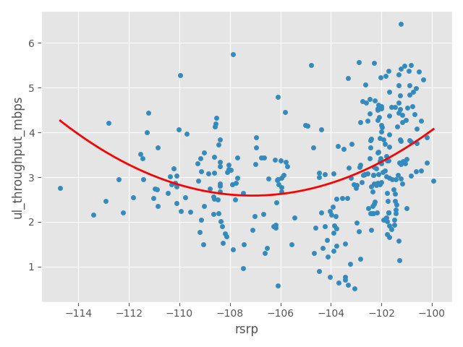
Coverage vs Download Throughput Scatter Graphs

TOTMOBILE
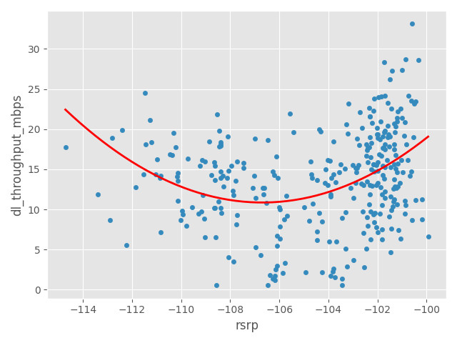

Coverage vs Upload Throughput Scatter Graphs

TOTMOBILE

Quality vs Throughput
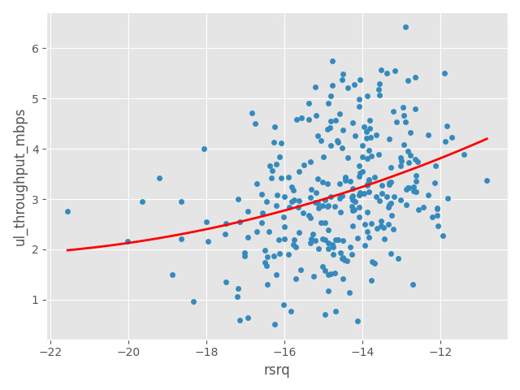
Quality Vs Download Throughput Scatter Graphs

TOTMOBILE
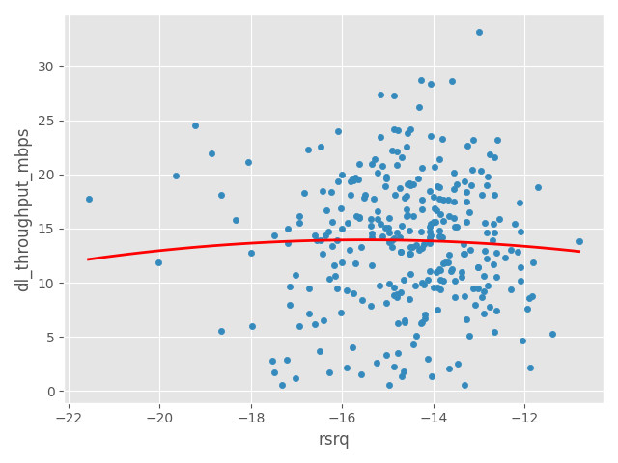

Quality Vs Upload Throughput Scatter Graphs

TOTMOBILE

SINR vs Throughput
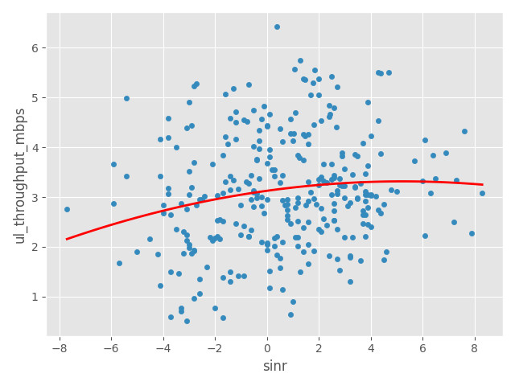
SINR Vs Download Throughput Scatter Graphs

TOTMOBILE
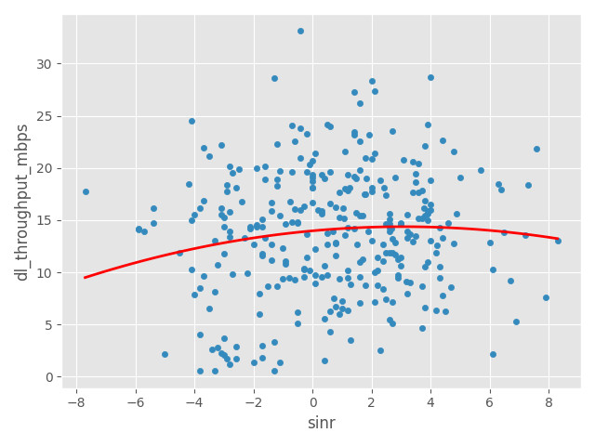

SINR Vs Upload Throughput Scatter Graphs

TOTMOBILE

Throughput by Time
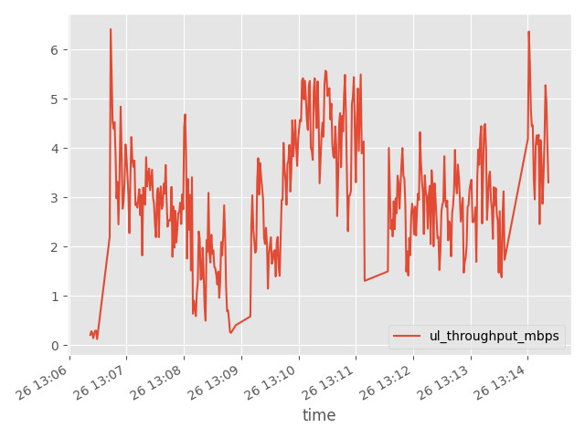
DL App Throughput by Time Graph | DL LTE Throughput by Time Graph

TOTMOBILE | TOTMOBILE
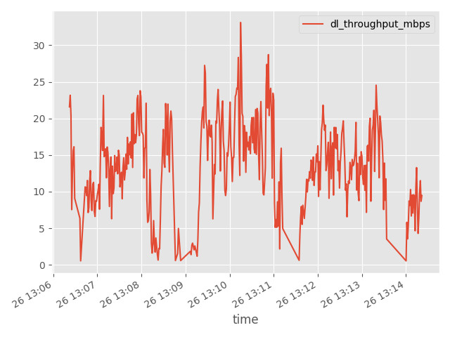

UL App Throughput by Time Graph | UL LTE Throughput by Time Graph
TOTMOBILE | TOTMOBILE

Ping Round Trip Time
Ping Round Trip Time

Metric | TOTMOBILE
PING Attempts | 4
PING RTT Avg (millis) | 171.97625
PING RTT Min (millis) | 75.15
PING Result Count <= 150 ms | 3
PING Result Percentage <= 150 ms (%) | 75
PING Result Count <= 500 ms | 4
PING Result Percentage <= 500 ms (%) | 100

NOTE: For cases where phone had a non-standard ping binary which doesn't provide rtt. rtt_avg shown here is estimated from radio params (cqi, mcs_index, sinr, ec/io, etc) instead and its rows would be flagged with a note in the 'rtt_avg_note' column (in 'PING detailed test samples' table below).

Ping RTT (Seconds) by URL bar charts
TOTMOBILE
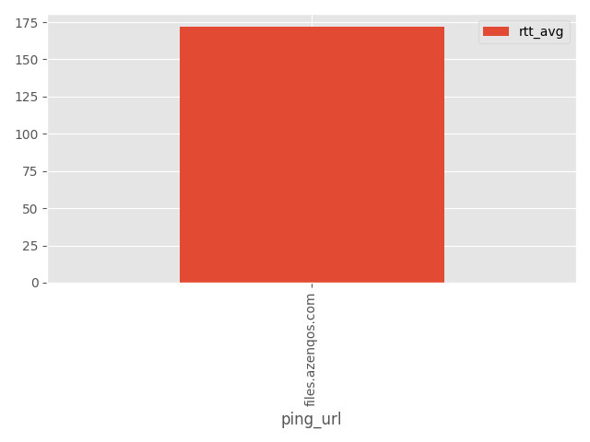

PING RTT (millis) by URL summary
operator_name | files.azenqos.com
TOTMOBILE | 171.97625

PING detailed test samples
log_hash | time | modem_time | operator_name | log_ori_file_name | imei | imsi | statement_start_time | statement_end_time | statement_session_id | ping_start | ping_start_time | ping_done | ping_done_time | ping_success | ping_success_time | ping_fail | ping_fail_time | ping_url | ping_packet_loss_percent | rtt_min | rtt_avg | rtt_max | result_success | test_session_duration_secs | positioning_lat | positioning_lon | nr_rsrp_avg | nr_rsrq_avg | nr_sinr_avg | start_nr_band | start_nr_arfcn | start_nr_pci | start_nr_beam | start_nr_pci_time | end_nr_band | end_nr_arfcn | end_nr_pci | end_nr_beam | end_nr_pci_time | nr_pdsch_tput_mbps_max | nr_pdsch_tput_mbps_avg | nr_mac_dl_tput_mbps_max | nr_mac_dl_tput_mbps_avg | nr_lte_dl_pdcp_tput_mbps_max | nr_lte_dl_pdcp_tput_mbps_avg | nr_pusch_tput_mbps_max | nr_pusch_tput_mbps_avg | nr_mac_ul_tput_mbps_max | nr_mac_ul_tput_mbps_avg | lte_inst_rsrp_avg | lte_inst_rsrq_avg | lte_sinr_avg | start_lte_pci | end_lte_pci | start_lte_earfcn | end_lte_earfcn | lte_pcc_earfcn | lte_scc1_earfcn | lte_scc2_earfcn | lte_scc3_earfcn | start_lte_band | end_lte_band | start_pci_time | end_pci_time | start_lte_sib1_mcc | start_lte_sib1_mnc | end_lte_sib1_mcc | end_lte_sib1_mnc | start_lte_tac | end_lte_tac | start_lte_eci | end_lte_eci | start_lte_enbid | end_lte_enbid | start_lte_lci | end_lte_lci | lte_mcs_index_avg | lte_l1_dl_tp_mbps_avg | lte_l1_dl_tp_mbps_max | lte_mac_dl_tput_mbps_max | lte_mac_dl_tput_mbps_avg | lte_l1_ul_tp_mbps_avg | lte_l1_ul_tp_mbps_max | lte_mac_ul_tput_mbps_max | lte_mac_ul_tput_mbps_avg | lte_cqi_avg | lte_pdsch_mod_list | lte_pdsch_n_active_carriers_list | wcdma_ecio_avg | wcdma_rscp_avg | start_wcdma_band | end_wcdma_band | start_uarfcn | end_uarfcn | start_psc | end_psc | start_psc_time | end_psc_time | hsdpa_cqi_avg | hsdpa_tp_mbps_avg | hsupa_tp_mbps_avg | start_android_cellid | end_android_cellid | start_gsm_wcdma_mcc | start_gsm_wcdma_mnc | end_gsm_wcdma_mcc | end_gsm_wcdma_mnc | gsm_rxlev_avg | gsm_rxqual_avg | start_bcch | end_bcch | start_bsic | end_bsic | start_gsm_cellid | end_gsm_cellid | start_bcch_time | end_bcch_time | nr_pdsch_tput_mbps_90th_percentile | nr_pdsch_tput_mbps_95th_percentile | nr_pusch_tput_mbps_90th_percentile | nr_pusch_tput_mbps_95th_percentile | lte_sib1_mcc_mnc | lte_sib1_mcc_mnc_matches_imsi | lte_sib1_mcc_mnc_alt | lte_l1_dl_tp_mbps_95th_percentile | lte_l1_dl_tp_mbps_90th_percentile | lte_l1_ul_tp_mbps_95th_percentile | lte_l1_ul_tp_mbps_90th_percentile | app_tp_dl_mbps_avg | app_tp_dl_mbps_max | app_tp_dl_mbps_95th_percentile | app_tp_dl_mbps_90th_percentile | app_tp_ul_mbps_avg | app_tp_ul_mbps_max | app_tp_ul_mbps_95th_percentile | app_tp_ul_mbps_90th_percentile | throughput_download_avg_kbps | throughput_download_max_kbps | throughput_upload_avg_kbps | throughput_upload_max_kbps | point_name
440670093026944471 | 2024-03-26 |  | TOTMOBILE | 354985102601501 26_3_2024 13.14.24.azm | 354985102601501 | 520171101468449 | 2024-03-26 | 2024-03-26 | PingStatement_202403261306347 | files.azenqos.com, 20 time(s), packetSize = 16,null | 2024-03-26 | 20 packets transmitted, 20 received, 0% packet loss, time 3813ms rtt min/avg/max/mdev = 53.437/91.170/132.872/23.751 ms ,PING files.azenqos.com (206.189.81.47) 16(44) bytes of data. 24 bytes from 206.189.81.47: icmp_seq=1 ttl=47 time=103 ms 24 bytes from 206.189.81.47: icmp_seq=2 ttl=47 time=68.3 ms 24 bytes from 206.189.81.47: icmp_seq=3 ttl=47 time=54.5 ms 24 bytes from 206.189.81.47: icmp_seq=4 ttl=47 time=75.0 ms 24 bytes from 206.189.81.47: icmp_seq=5 ttl=47 time=128 ms 24 bytes from 206.189.81.47: icmp_seq=6 ttl=47 time=132 ms 24 bytes from 206.189.81.47: icmp_seq=7 ttl=47 time=91.3 ms 24 bytes from 206.189.81.47: icmp_seq=8 ttl=47 time=84.7 ms 24 bytes from 206.189.81.47: icmp_seq=9 ttl=47 time=94.5 ms 24 bytes from 206.189.81.47: icmp_seq=10 ttl=47 time=53.4 ms 24 bytes from 206.189.81.47: icmp_seq=11 ttl=47 time=103 ms 24 bytes from 206.189.81.47: icmp_seq=12 ttl=47 time=62.2 ms 24 bytes from 206.189.81.47: icmp_seq=13 ttl=47 time=95.0 ms 24 bytes from 206.189.81.47: icmp_seq=14 ttl=47 time=99.0 ms 24 bytes from 206.189.81.47: icmp_seq=15 ttl=47 time=102 ms 24 bytes from 206.189.81.47: icmp_seq=16 ttl=47 time=58.8 ms 24 bytes from 206.189.81.47: icmp_seq=17 ttl=47 time=121 ms 24 bytes from 206.189.81.47: icmp_seq=18 ttl=47 time=82.9 ms 24 bytes from 206.189.81.47: icmp_seq=19 ttl=47 time=125 ms 24 bytes from 206.189.81.47: icmp_seq=20 ttl=47 time=85.7 ms --- files.azenqos.com ping statistics --- 20 packets transmitted, 20 received, 0% packet loss, time 3813ms rtt min/avg/max/mdev = 53.437/91.170/132.872/23.751 ms | 2024-03-26 | ,PING files.azenqos.com (206.189.81.47) 16(44) bytes of data. 24 bytes from 206.189.81.47: icmp_seq=1 ttl=47 time=103 ms 24 bytes from 206.189.81.47: icmp_seq=2 ttl=47 time=68.3 ms 24 bytes from 206.189.81.47: icmp_seq=3 ttl=47 time=54.5 ms 24 bytes from 206.189.81.47: icmp_seq=4 ttl=47 time=75.0 ms 24 bytes from 206.189.81.47: icmp_seq=5 ttl=47 time=128 ms 24 bytes from 206.189.81.47: icmp_seq=6 ttl=47 time=132 ms 24 bytes from 206.189.81.47: icmp_seq=7 ttl=47 time=91.3 ms 24 bytes from 206.189.81.47: icmp_seq=8 ttl=47 time=84.7 ms 24 bytes from 206.189.81.47: icmp_seq=9 ttl=47 time=94.5 ms 24 bytes from 206.189.81.47: icmp_seq=10 ttl=47 time=53.4 ms 24 bytes from 206.189.81.47: icmp_seq=11 ttl=47 time=103 ms 24 bytes from 206.189.81.47: icmp_seq=12 ttl=47 time=62.2 ms 24 bytes from 206.189.81.47: icmp_seq=13 ttl=47 time=95.0 ms 24 bytes from 206.189.81.47: icmp_seq=14 ttl=47 time=99.0 ms 24 bytes from 206.189.81.47: icmp_seq=15 ttl=47 time=102 ms 24 bytes from 206.189.81.47: icmp_seq=16 ttl=47 time=58.8 ms 24 bytes from 206.189.81.47: icmp_seq=17 ttl=47 time=121 ms 24 bytes from 206.189.81.47: icmp_seq=18 ttl=47 time=82.9 ms 24 bytes from 206.189.81.47: icmp_seq=19 ttl=47 time=125 ms 24 bytes from 206.189.81.47: icmp_seq=20 ttl=47 time=85.7 ms --- files.azenqos.com ping statistics --- 20 packets transmitted, 20 received, 0% packet loss, time 3813ms rtt min/avg/max/mdev = 53.437/91.170/132.872/23.751 ms | 2024-03-26 |  |  | files.azenqos.com | 0 | 53.4 | 90.965 | 132 | 1 | 6.102 | nan | nan |  |  |  |  |  |  |  |  |  |  |  |  |  |  |  |  |  |  |  |  |  |  |  | -100.54375 | -14.39375 | 2.1 | 98 | 98 | 38852 | 38852 | 38852 |  |  |  | 40 | 40 | 2024-03-26 | 2024-03-26 |  |  |  |  |  |  |  |  |  |  |  |  | 4.75 | 0.2 | 0.2 | 8.9418777943E-05 | 7.0763144793E-05 |  |  |  |  |  |  | [1] |  |  |  |  |  |  |  |  |  |  |  |  |  | 77769513 | 77769513 |  |  |  |  |  |  |  |  | None | None |  |  |  |  |  |  |  |  |  |  |  | 0.2 | 0.2 |  |  | 1.1711171875 | 6.3488984375 | 4.8967460938 | 3.44459375 | 0.035490885417 | 0.0744140625 | 0.07373828125 | 0.0730625 | 1171.1171875 | 6348.8984375 | 35.490885417 | 74.4140625 | nan
440670093026944471 | 2024-03-26 |  | TOTMOBILE | 354985102601501 26_3_2024 13.14.24.azm | 354985102601501 | 520171101468449 | 2024-03-26 | 2024-03-26 | PingStatement_202403261309008 | files.azenqos.com, 20 time(s), packetSize = 16,null | 2024-03-26 | 20 packets transmitted, 20 received, 0% packet loss, time 3843ms rtt min/avg/max/mdev = 129.664/352.449/726.516/153.085 ms, pipe 4 ,PING files.azenqos.com (206.189.81.47) 16(44) bytes of data. 24 bytes from 206.189.81.47: icmp_seq=1 ttl=47 time=405 ms 24 bytes from 206.189.81.47: icmp_seq=2 ttl=47 time=449 ms 24 bytes from 206.189.81.47: icmp_seq=3 ttl=47 time=244 ms 24 bytes from 206.189.81.47: icmp_seq=4 ttl=47 time=502 ms 24 bytes from 206.189.81.47: icmp_seq=5 ttl=47 time=455 ms 24 bytes from 206.189.81.47: icmp_seq=6 ttl=47 time=726 ms 24 bytes from 206.189.81.47: icmp_seq=7 ttl=47 time=525 ms 24 bytes from 206.189.81.47: icmp_seq=8 ttl=47 time=477 ms 24 bytes from 206.189.81.47: icmp_seq=9 ttl=47 time=268 ms 24 bytes from 206.189.81.47: icmp_seq=10 ttl=47 time=222 ms 24 bytes from 206.189.81.47: icmp_seq=11 ttl=47 time=444 ms 24 bytes from 206.189.81.47: icmp_seq=12 ttl=47 time=536 ms 24 bytes from 206.189.81.47: icmp_seq=13 ttl=47 time=330 ms 24 bytes from 206.189.81.47: icmp_seq=14 ttl=47 time=129 ms 24 bytes from 206.189.81.47: icmp_seq=15 ttl=47 time=236 ms 24 bytes from 206.189.81.47: icmp_seq=16 ttl=47 time=240 ms 24 bytes from 206.189.81.47: icmp_seq=17 ttl=47 time=224 ms 24 bytes from 206.189.81.47: icmp_seq=18 ttl=47 time=239 ms 24 bytes from 206.189.81.47: icmp_seq=19 ttl=47 time=243 ms 24 bytes from 206.189.81.47: icmp_seq=20 ttl=47 time=145 ms --- files.azenqos.com ping statistics --- 20 packets transmitted, 20 received, 0% packet loss, time 3843ms rtt min/avg/max/mdev = 129.664/352.449/726.516/153.085 ms, pipe 4 | 2024-03-26 | ,PING files.azenqos.com (206.189.81.47) 16(44) bytes of data. 24 bytes from 206.189.81.47: icmp_seq=1 ttl=47 time=405 ms 24 bytes from 206.189.81.47: icmp_seq=2 ttl=47 time=449 ms 24 bytes from 206.189.81.47: icmp_seq=3 ttl=47 time=244 ms 24 bytes from 206.189.81.47: icmp_seq=4 ttl=47 time=502 ms 24 bytes from 206.189.81.47: icmp_seq=5 ttl=47 time=455 ms 24 bytes from 206.189.81.47: icmp_seq=6 ttl=47 time=726 ms 24 bytes from 206.189.81.47: icmp_seq=7 ttl=47 time=525 ms 24 bytes from 206.189.81.47: icmp_seq=8 ttl=47 time=477 ms 24 bytes from 206.189.81.47: icmp_seq=9 ttl=47 time=268 ms 24 bytes from 206.189.81.47: icmp_seq=10 ttl=47 time=222 ms 24 bytes from 206.189.81.47: icmp_seq=11 ttl=47 time=444 ms 24 bytes from 206.189.81.47: icmp_seq=12 ttl=47 time=536 ms 24 bytes from 206.189.81.47: icmp_seq=13 ttl=47 time=330 ms 24 bytes from 206.189.81.47: icmp_seq=14 ttl=47 time=129 ms 24 bytes from 206.189.81.47: icmp_seq=15 ttl=47 time=236 ms 24 bytes from 206.189.81.47: icmp_seq=16 ttl=47 time=240 ms 24 bytes from 206.189.81.47: icmp_seq=17 ttl=47 time=224 ms 24 bytes from 206.189.81.47: icmp_seq=18 ttl=47 time=239 ms 24 bytes from 206.189.81.47: icmp_seq=19 ttl=47 time=243 ms 24 bytes from 206.189.81.47: icmp_seq=20 ttl=47 time=145 ms --- files.azenqos.com ping statistics --- 20 packets transmitted, 20 received, 0% packet loss, time 3843ms rtt min/avg/max/mdev = 129.664/352.449/726.516/153.085 ms, pipe 4 | 2024-03-26 |  |  | files.azenqos.com | 0 | 129 | 351.95 | 726 | 1 | 6.379 | nan | nan |  |  |  |  |  |  |  |  |  |  |  |  |  |  |  |  |  |  |  |  |  |  |  | -105.475 | -14.875 | -0.98 | 98 | 98 | 38852 | 38852 | 38852 |  |  |  | 40 | 40 | 2024-03-26 | 2024-03-26 |  |  |  |  |  |  |  |  |  |  |  |  | 2.8 | 0.1152 | 0.144 | 0.00013528055342 | 8.6257585021E-05 |  |  |  |  |  |  | [1] |  |  |  |  |  |  |  |  |  |  |  |  |  | 77769513 | 77769513 |  |  |  |  |  |  |  |  | None | None |  |  |  |  |  |  |  |  |  |  |  | 0.144 | 0.144 |  |  | 0.41275651042 | 1.8478203125 | 1.4603808594 | 1.0729414063 | 0.028731770833 | 0.0778046875 | 0.066439453125 | 0.05507421875 | 412.75651042 | 1847.8203125 | 28.731770833 | 77.8046875 | nan
440670093026944471 | 2024-03-26 |  | TOTMOBILE | 354985102601501 26_3_2024 13.14.24.azm | 354985102601501 | 520171101468449 | 2024-03-26 | 2024-03-26 | PingStatement_202403261311263 | files.azenqos.com, 20 time(s), packetSize = 16,null | 2024-03-26 | 20 packets transmitted, 20 received, 0% packet loss, time 3818ms rtt min/avg/max/mdev = 68.583/111.518/240.520/44.360 ms, pipe 2 ,PING files.azenqos.com (206.189.81.47) 16(44) bytes of data. 24 bytes from 206.189.81.47: icmp_seq=1 ttl=47 time=184 ms 24 bytes from 206.189.81.47: icmp_seq=2 ttl=47 time=118 ms 24 bytes from 206.189.81.47: icmp_seq=3 ttl=47 time=81.2 ms 24 bytes from 206.189.81.47: icmp_seq=4 ttl=47 time=196 ms 24 bytes from 206.189.81.47: icmp_seq=5 ttl=47 time=79.2 ms 24 bytes from 206.189.81.47: icmp_seq=6 ttl=47 time=240 ms 24 bytes from 206.189.81.47: icmp_seq=7 ttl=47 time=81.2 ms 24 bytes from 206.189.81.47: icmp_seq=8 ttl=47 time=105 ms 24 bytes from 206.189.81.47: icmp_seq=9 ttl=47 time=88.3 ms 24 bytes from 206.189.81.47: icmp_seq=10 ttl=47 time=92.7 ms 24 bytes from 206.189.81.47: icmp_seq=11 ttl=47 time=106 ms 24 bytes from 206.189.81.47: icmp_seq=12 ttl=47 time=108 ms 24 bytes from 206.189.81.47: icmp_seq=13 ttl=47 time=68.5 ms 24 bytes from 206.189.81.47: icmp_seq=14 ttl=47 time=77.8 ms 24 bytes from 206.189.81.47: icmp_seq=15 ttl=47 time=116 ms 24 bytes from 206.189.81.47: icmp_seq=16 ttl=47 time=118 ms 24 bytes from 206.189.81.47: icmp_seq=17 ttl=47 time=75.8 ms 24 bytes from 206.189.81.47: icmp_seq=18 ttl=47 time=127 ms 24 bytes from 206.189.81.47: icmp_seq=19 ttl=47 time=79.8 ms 24 bytes from 206.189.81.47: icmp_seq=20 ttl=47 time=83.9 ms --- files.azenqos.com ping statistics --- 20 packets transmitted, 20 received, 0% packet loss, time 3818ms rtt min/avg/max/mdev = 68.583/111.518/240.520/44.360 ms, pipe 2 | 2024-03-26 | ,PING files.azenqos.com (206.189.81.47) 16(44) bytes of data. 24 bytes from 206.189.81.47: icmp_seq=1 ttl=47 time=184 ms 24 bytes from 206.189.81.47: icmp_seq=2 ttl=47 time=118 ms 24 bytes from 206.189.81.47: icmp_seq=3 ttl=47 time=81.2 ms 24 bytes from 206.189.81.47: icmp_seq=4 ttl=47 time=196 ms 24 bytes from 206.189.81.47: icmp_seq=5 ttl=47 time=79.2 ms 24 bytes from 206.189.81.47: icmp_seq=6 ttl=47 time=240 ms 24 bytes from 206.189.81.47: icmp_seq=7 ttl=47 time=81.2 ms 24 bytes from 206.189.81.47: icmp_seq=8 ttl=47 time=105 ms 24 bytes from 206.189.81.47: icmp_seq=9 ttl=47 time=88.3 ms 24 bytes from 206.189.81.47: icmp_seq=10 ttl=47 time=92.7 ms 24 bytes from 206.189.81.47: icmp_seq=11 ttl=47 time=106 ms 24 bytes from 206.189.81.47: icmp_seq=12 ttl=47 time=108 ms 24 bytes from 206.189.81.47: icmp_seq=13 ttl=47 time=68.5 ms 24 bytes from 206.189.81.47: icmp_seq=14 ttl=47 time=77.8 ms 24 bytes from 206.189.81.47: icmp_seq=15 ttl=47 time=116 ms 24 bytes from 206.189.81.47: icmp_seq=16 ttl=47 time=118 ms 24 bytes from 206.189.81.47: icmp_seq=17 ttl=47 time=75.8 ms 24 bytes from 206.189.81.47: icmp_seq=18 ttl=47 time=127 ms 24 bytes from 206.189.81.47: icmp_seq=19 ttl=47 time=79.8 ms 24 bytes from 206.189.81.47: icmp_seq=20 ttl=47 time=83.9 ms --- files.azenqos.com ping statistics --- 20 packets transmitted, 20 received, 0% packet loss, time 3818ms rtt min/avg/max/mdev = 68.583/111.518/240.520/44.360 ms, pipe 2 | 2024-03-26 |  |  | files.azenqos.com | 0 | 68.5 | 111.32 | 240 | 1 | 5.981 | nan | nan |  |  |  |  |  |  |  |  |  |  |  |  |  |  |  |  |  |  |  |  |  |  |  | -107.609375 | -14.5390625 | 0.125 | 98 | 98 | 38852 | 38852 | 38852 |  |  |  | 40 | 40 | 2024-03-26 | 2024-03-26 |  |  |  |  |  |  |  |  |  |  |  |  | 2.6666666667 | 0.144 | 0.144 | 6.9868995633E-05 | 6.1120274424E-05 |  |  |  |  |  |  | [1] |  |  |  |  |  |  |  |  |  |  |  |  |  | 77769513 | 77769513 |  |  |  |  |  |  |  |  | None | None |  |  |  |  |  |  |  |  |  |  |  | 0.144 | 0.144 |  |  | 0.0029440104167 | 0.0048515625 | 0.00470703125 | 0.0045625 | 0.0016171875 | 0.003015625 | 0.00298828125 | 0.0029609375 | 2.9440104167 | 4.8515625 | 1.6171875 | 3.015625 | nan
440670093026944471 | 2024-03-26 |  | TOTMOBILE | 354985102601501 26_3_2024 13.14.24.azm | 354985102601501 | 520171101468449 | 2024-03-26 | 2024-03-26 | PingStatement_202403261313519 | files.azenqos.com, 20 time(s), packetSize = 16,null | 2024-03-26 | 20 packets transmitted, 20 received, 0% packet loss, time 3826ms rtt min/avg/max/mdev = 49.793/134.038/227.472/51.961 ms, pipe 2 ,PING files.azenqos.com (206.189.81.47) 16(44) bytes of data. 24 bytes from 206.189.81.47: icmp_seq=1 ttl=47 time=147 ms 24 bytes from 206.189.81.47: icmp_seq=2 ttl=47 time=105 ms 24 bytes from 206.189.81.47: icmp_seq=3 ttl=47 time=225 ms 24 bytes from 206.189.81.47: icmp_seq=4 ttl=47 time=227 ms 24 bytes from 206.189.81.47: icmp_seq=5 ttl=47 time=106 ms 24 bytes from 206.189.81.47: icmp_seq=6 ttl=47 time=110 ms 24 bytes from 206.189.81.47: icmp_seq=7 ttl=47 time=165 ms 24 bytes from 206.189.81.47: icmp_seq=8 ttl=47 time=83.6 ms 24 bytes from 206.189.81.47: icmp_seq=9 ttl=47 time=227 ms 24 bytes from 206.189.81.47: icmp_seq=10 ttl=47 time=186 ms 24 bytes from 206.189.81.47: icmp_seq=11 ttl=47 time=90.3 ms 24 bytes from 206.189.81.47: icmp_seq=12 ttl=47 time=131 ms 24 bytes from 206.189.81.47: icmp_seq=13 ttl=47 time=93.4 ms 24 bytes from 206.189.81.47: icmp_seq=14 ttl=47 time=137 ms 24 bytes from 206.189.81.47: icmp_seq=15 ttl=47 time=190 ms 24 bytes from 206.189.81.47: icmp_seq=16 ttl=47 time=49.7 ms 24 bytes from 206.189.81.47: icmp_seq=17 ttl=47 time=111 ms 24 bytes from 206.189.81.47: icmp_seq=18 ttl=47 time=106 ms 24 bytes from 206.189.81.47: icmp_seq=19 ttl=47 time=70.4 ms 24 bytes from 206.189.81.47: icmp_seq=20 ttl=47 time=113 ms --- files.azenqos.com ping statistics --- 20 packets transmitted, 20 received, 0% packet loss, time 3826ms rtt min/avg/max/mdev = 49.793/134.038/227.472/51.961 ms, pipe 2 | 2024-03-26 | ,PING files.azenqos.com (206.189.81.47) 16(44) bytes of data. 24 bytes from 206.189.81.47: icmp_seq=1 ttl=47 time=147 ms 24 bytes from 206.189.81.47: icmp_seq=2 ttl=47 time=105 ms 24 bytes from 206.189.81.47: icmp_seq=3 ttl=47 time=225 ms 24 bytes from 206.189.81.47: icmp_seq=4 ttl=47 time=227 ms 24 bytes from 206.189.81.47: icmp_seq=5 ttl=47 time=106 ms 24 bytes from 206.189.81.47: icmp_seq=6 ttl=47 time=110 ms 24 bytes from 206.189.81.47: icmp_seq=7 ttl=47 time=165 ms 24 bytes from 206.189.81.47: icmp_seq=8 ttl=47 time=83.6 ms 24 bytes from 206.189.81.47: icmp_seq=9 ttl=47 time=227 ms 24 bytes from 206.189.81.47: icmp_seq=10 ttl=47 time=186 ms 24 bytes from 206.189.81.47: icmp_seq=11 ttl=47 time=90.3 ms 24 bytes from 206.189.81.47: icmp_seq=12 ttl=47 time=131 ms 24 bytes from 206.189.81.47: icmp_seq=13 ttl=47 time=93.4 ms 24 bytes from 206.189.81.47: icmp_seq=14 ttl=47 time=137 ms 24 bytes from 206.189.81.47: icmp_seq=15 ttl=47 time=190 ms 24 bytes from 206.189.81.47: icmp_seq=16 ttl=47 time=49.7 ms 24 bytes from 206.189.81.47: icmp_seq=17 ttl=47 time=111 ms 24 bytes from 206.189.81.47: icmp_seq=18 ttl=47 time=106 ms 24 bytes from 206.189.81.47: icmp_seq=19 ttl=47 time=70.4 ms 24 bytes from 206.189.81.47: icmp_seq=20 ttl=47 time=113 ms --- files.azenqos.com ping statistics --- 20 packets transmitted, 20 received, 0% packet loss, time 3826ms rtt min/avg/max/mdev = 49.793/134.038/227.472/51.961 ms, pipe 2 | 2024-03-26 |  |  | files.azenqos.com | 0 | 49.7 | 133.67 | 227 | 1 | 6.701 | nan | nan |  |  |  |  |  |  |  |  |  |  |  |  |  |  |  |  |  |  |  |  |  |  |  | -107.63541667 | -13.59375 | -0.21666666667 | 98 | 98 | 38852 | 38852 | 38852 |  |  |  | 40 | 40 | 2024-03-26 | 2024-03-26 |  |  |  |  |  |  |  |  |  |  |  |  | 5.5 | 0.198 | 0.248 | 0.00015886524823 | 0.00012496720794 |  |  |  |  |  |  | [1] |  |  |  |  |  |  |  |  |  |  |  |  |  | 77769513 | 77769513 |  |  |  |  |  |  |  |  | None | None |  |  |  |  |  |  |  |  |  |  |  | 0.248 | 0.248 |  |  | 0.0012120535714 | 0.0027109375 | 0.00241328125 | 0.002115625 | 0.0012220982143 | 0.0025 | 0.0023875 | 0.002275 | 1.2120535714 | 2.7109375 | 1.2220982143 | 2.5 | nan

